ART
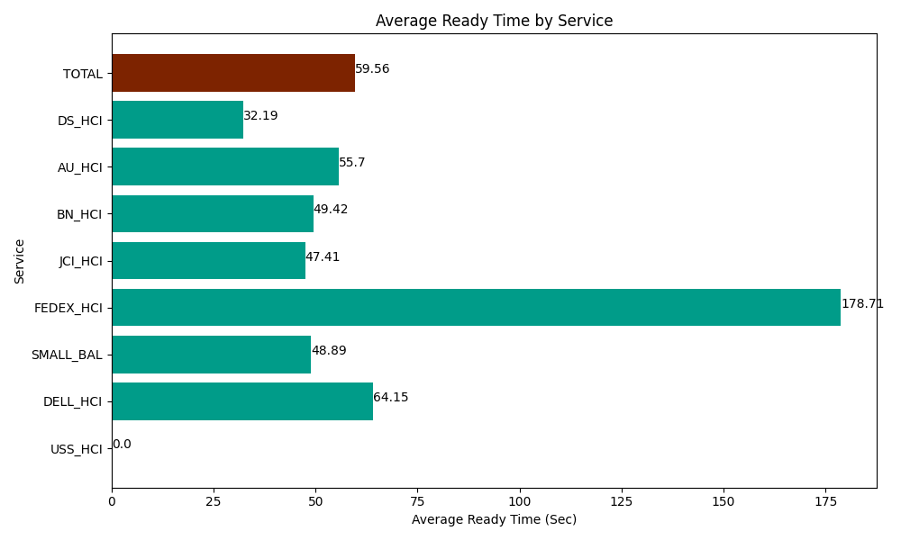
Date | Service | Successful Op Transfer | In Call (Sec) | Ready (Sec) | Wrapup (Sec) | Not Ready (Sec) | Average Ready Time (Sec)
03-26-2024 | USS_HCI | 0 | 0 | 319.2000103 | 0 | 178.80000114 | 0
03-26-2024 | DELL_HCI | 88 | 8674.8001099 | 5644.8001099 | 19156.199341 | 6695.9999084 | 64.15
03-26-2024 | SMALL_BAL | 321 | 23200.200806 | 15694.200439 | 36117.000732 | 29938.200073 | 48.89
03-26-2024 | FEDEX_HCI | 13 | 1407.0000458 | 2323.2000732 | 787.19999313 | 858.00001144 | 178.71
03-26-2024 | JCI_HCI | 313 | 28825.200806 | 14838.000183 | 36436.201172 | 6895.1998901 | 47.41
03-26-2024 | BN_HCI | 589 | 56839.801025 | 29107.800293 | 82579.196777 | 53020.198975 | 49.42
03-26-2024 | AU_HCI | 252 | 23719.799194 | 14035.19989 | 24793.200073 | 28759.799194 | 55.7
03-26-2024 | DS_HCI | 646 | 47795.998535 | 20792.999268 | 91228.198242 | 71831.99707 | 32.19
 | TOTAL | 2222 | 190462.80052 | 102755.40027 | 291097.19633 | 198178.19512 | 59.56

